Throughput by Time
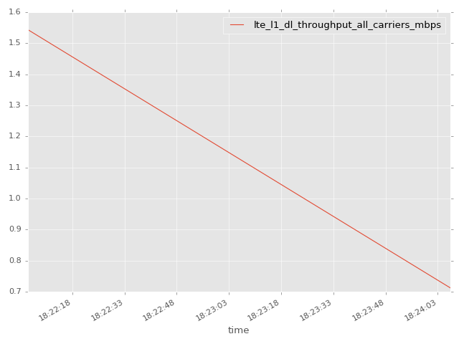
App Throughput by Time Graph | LTE Throughput by Time Graph

lte_l1_dl_throughput_all_carri
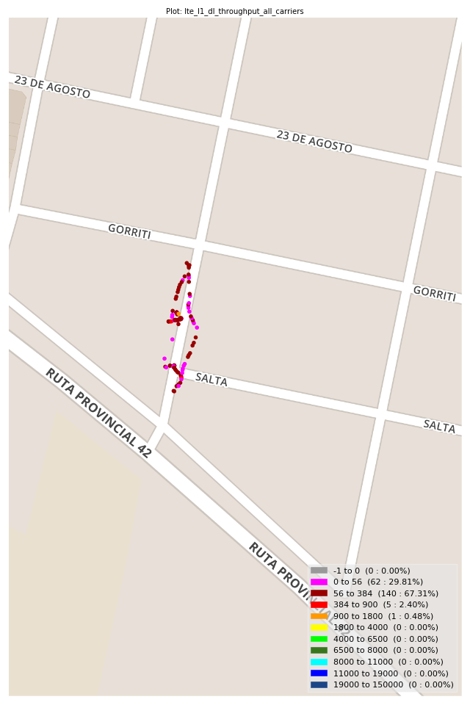
lte_l1_dl_throughput_all_carriers Report

Sampling Distribution Histogram
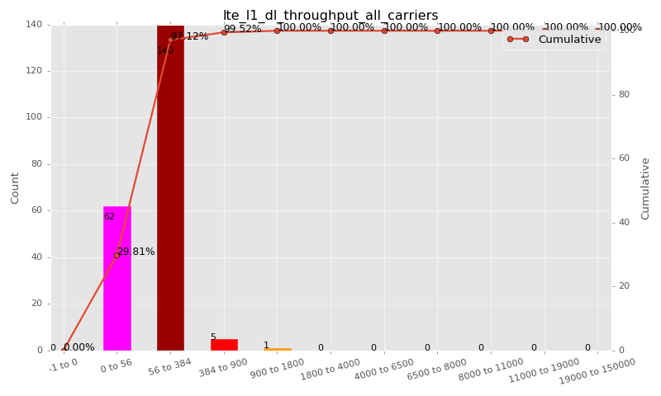

Sampling Distribution Table (first 10 ranges)
ColorXml | Lower | Upper | N Samples | Range | % | Cumulative %
 | -1 | 0 | 0 | -1 to 0 | 0.00 | 0.00
 | 0 | 56 | 62 | 0 to 56 | 29.81 | 29.81
 | 56 | 384 | 140 | 56 to 384 | 67.31 | 97.12
 | 384 | 900 | 5 | 384 to 900 | 2.40 | 99.52
 | 900 | 1800 | 1 | 900 to 1800 | 0.48 | 100.00
 | 1800 | 4000 | 0 | 1800 to 4000 | 0.00 | 100.00
 | 4000 | 6500 | 0 | 4000 to 6500 | 0.00 | 100.00
 | 6500 | 8000 | 0 | 6500 to 8000 | 0.00 | 100.00
 | 8000 | 11000 | 0 | 8000 to 11000 | 0.00 | 100.00
 | 11000 | 19000 | 0 | 11000 to 19000 | 0.00 | 100.00

Basic statistics
N | 208
Mean | 107.65
SD | 136.94
MAX | 1544.00
Median | 80.00
Min | 1.68

Geographical Plot

lte_inst_rsrp_1
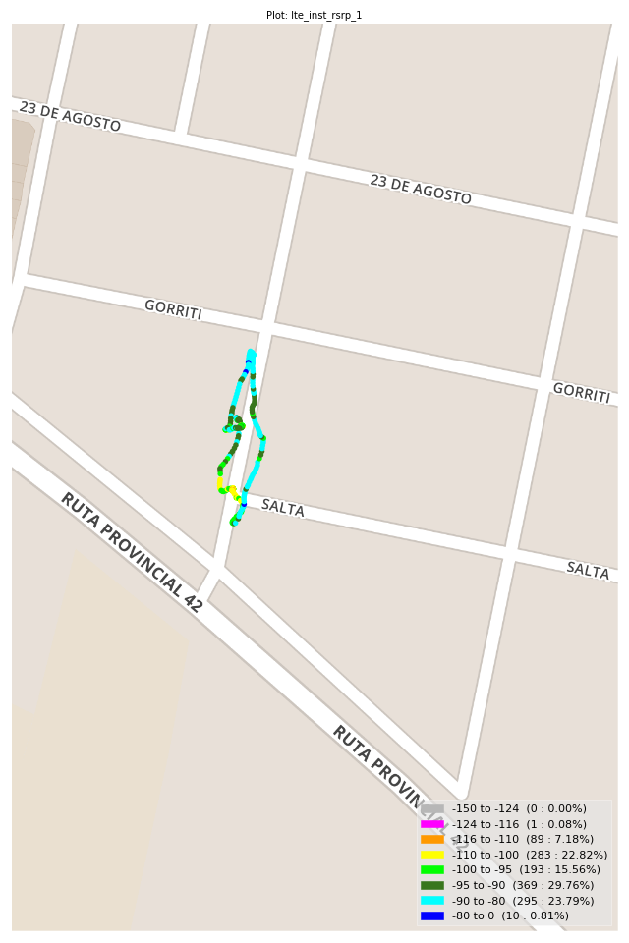
lte_inst_rsrp_1 Report

Sampling Distribution Histogram
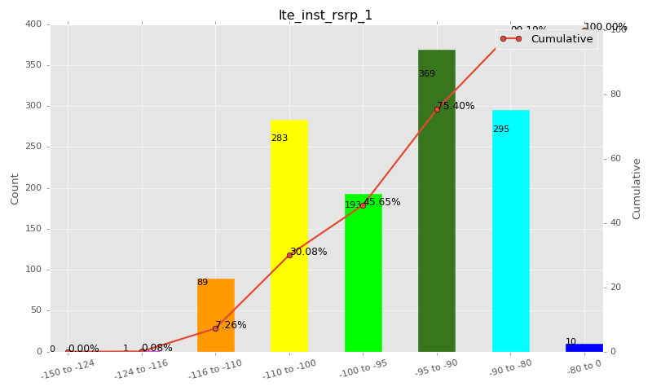

Sampling Distribution Table (first 10 ranges)
ColorXml | Lower | Upper | N Samples | Range | % | Cumulative %
 | -150 | -124 | 0 | -150 to -124 | 0.00 | 0.00
 | -124 | -116 | 1 | -124 to -116 | 0.08 | 0.08
 | -116 | -110 | 89 | -116 to -110 | 7.18 | 7.26
 | -110 | -100 | 283 | -110 to -100 | 22.82 | 30.08
 | -100 | -95 | 193 | -100 to -95 | 15.56 | 45.65
 | -95 | -90 | 369 | -95 to -90 | 29.76 | 75.40
 | -90 | -80 | 295 | -90 to -80 | 23.79 | 99.19
 | -80 | 0 | 10 | -80 to 0 | 0.81 | 100.00

Basic statistics
N | 1240
Mean | -96.20
SD | 8.52
MAX | -78.10
Median | -94.03
Min | -117.25

Geographical Plot

lte_inst_rsrq_1
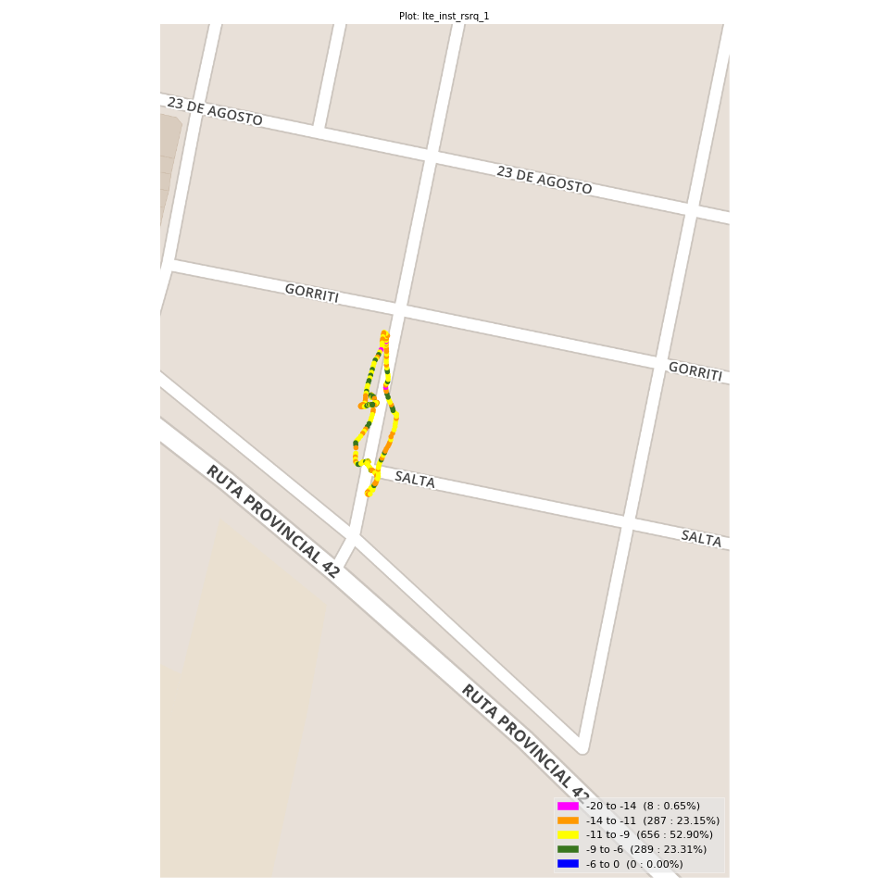
lte_inst_rsrq_1 Report

Sampling Distribution Histogram
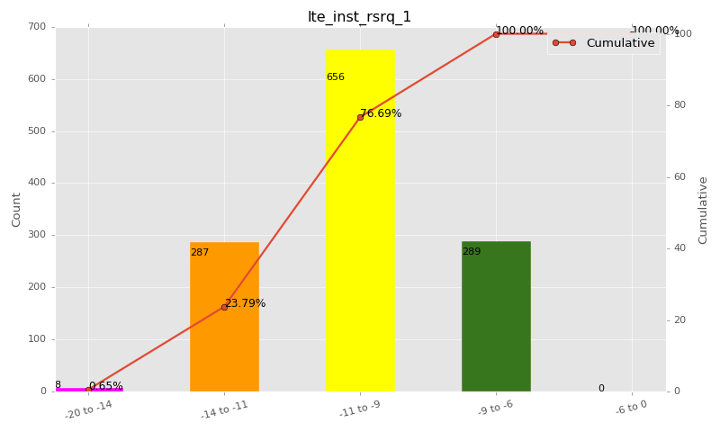

Sampling Distribution Table (first 10 ranges)
ColorXml | Lower | Upper | N Samples | Range | % | Cumulative %
 | -20 | -14 | 8 | -20 to -14 | 0.65 | 0.65
 | -14 | -11 | 287 | -14 to -11 | 23.15 | 23.79
 | -11 | -9 | 656 | -11 to -9 | 52.90 | 76.69
 | -9 | -6 | 289 | -9 to -6 | 23.31 | 100.00
 | -6 | 0 | 0 | -6 to 0 | 0.00 | 100.00

Basic statistics
N | 1240
Mean | -10.07
SD | 1.35
MAX | -7.00
Median | -10.04
Min | -17.69

Geographical Plot

lte_inst_rssi_1
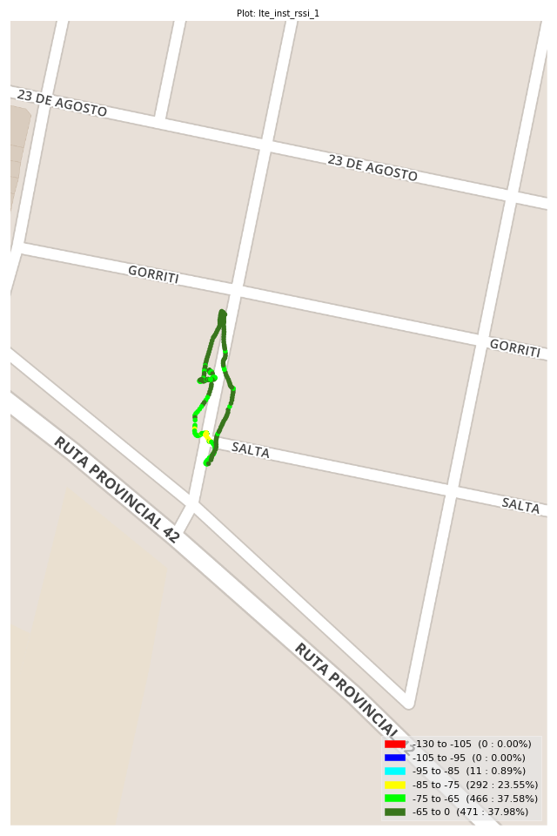
lte_inst_rssi_1 Report

Sampling Distribution Histogram
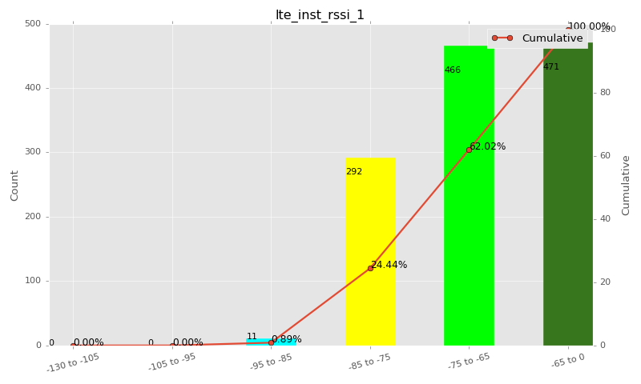

Sampling Distribution Table (first 10 ranges)
ColorXml | Lower | Upper | N Samples | Range | % | Cumulative %
 | -130 | -105 | 0 | -130 to -105 | 0.00 | 0.00
 | -105 | -95 | 0 | -105 to -95 | 0.00 | 0.00
 | -95 | -85 | 11 | -95 to -85 | 0.89 | 0.89
 | -85 | -75 | 292 | -85 to -75 | 23.55 | 24.44
 | -75 | -65 | 466 | -75 to -65 | 37.58 | 62.02
 | -65 | 0 | 471 | -65 to 0 | 37.98 | 100.00

Basic statistics
N | 1240
Mean | -68.78
SD | 8.53
MAX | -49.12
Median | -66.81
Min | -88.19

Geographical Plot

lte_sinr_rx0_1
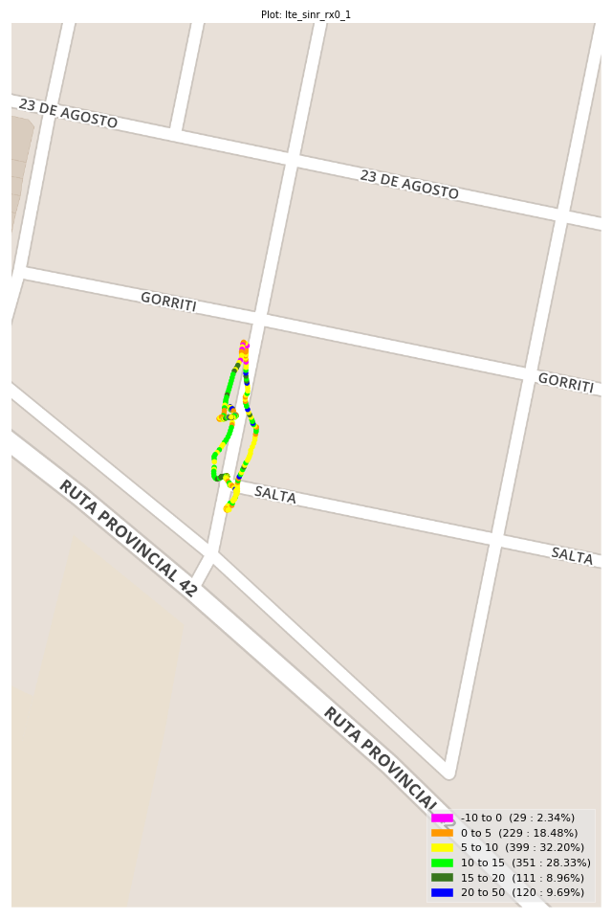
lte_sinr_rx0_1 Report

Sampling Distribution Histogram
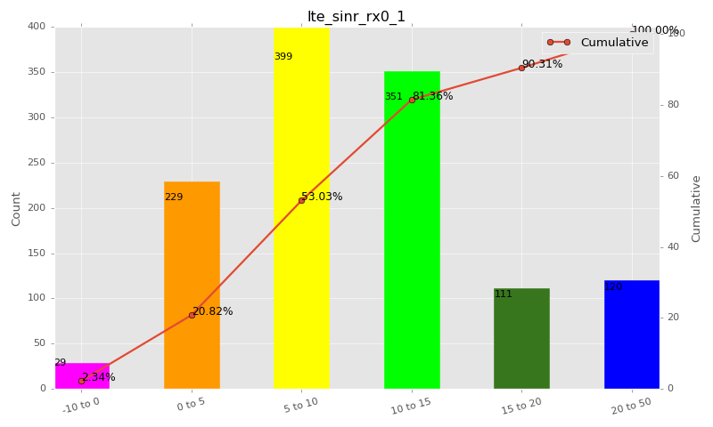

Sampling Distribution Table (first 10 ranges)
ColorXml | Lower | Upper | N Samples | Range | % | Cumulative %
 | -10 | 0 | 29 | -10 to 0 | 2.34 | 2.34
 | 0 | 5 | 229 | 0 to 5 | 18.48 | 20.82
 | 5 | 10 | 399 | 5 to 10 | 32.20 | 53.03
 | 10 | 15 | 351 | 10 to 15 | 28.33 | 81.36
 | 15 | 20 | 111 | 15 to 20 | 8.96 | 90.31
 | 20 | 50 | 120 | 20 to 50 | 9.69 | 100.00

Basic statistics
N | 1239
Mean | 10.48
SD | 7.19
MAX | 30.00
Median | 9.28
Min | -4.00

Geographical Plot

lte_sinr_rx1_1
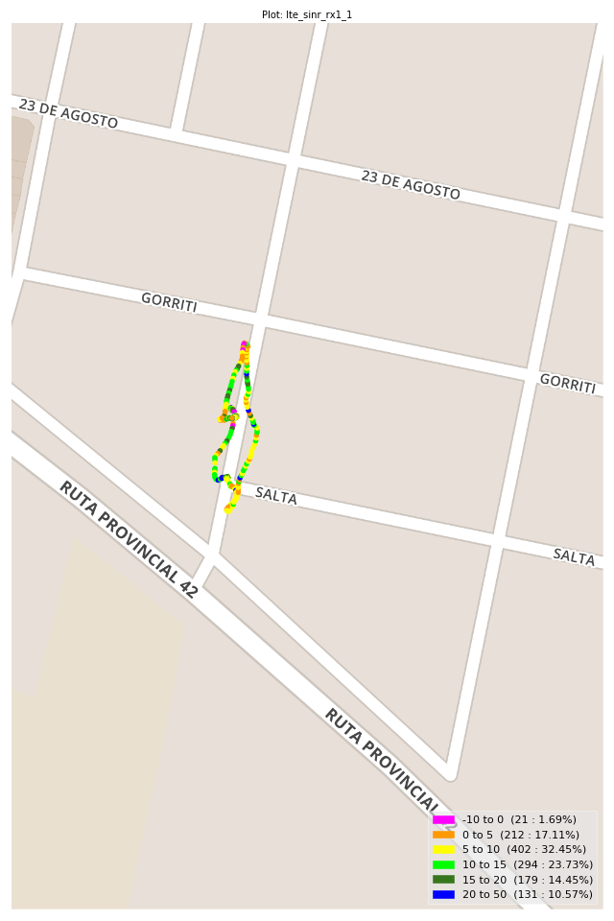
lte_sinr_rx1_1 Report

Sampling Distribution Histogram
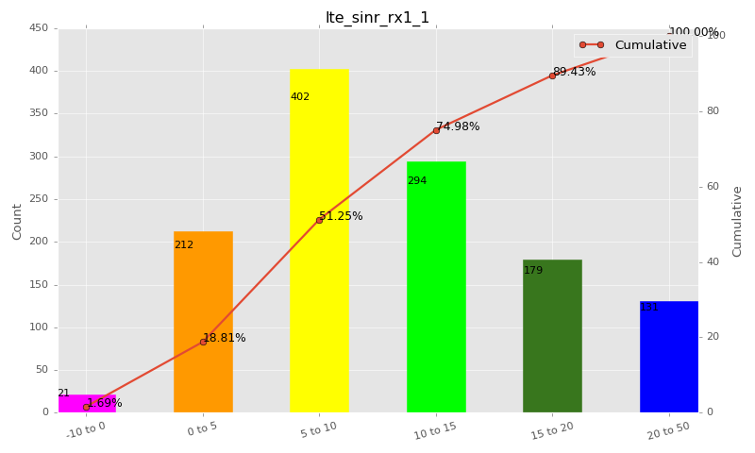

Sampling Distribution Table (first 10 ranges)
ColorXml | Lower | Upper | N Samples | Range | % | Cumulative %
 | -10 | 0 | 21 | -10 to 0 | 1.69 | 1.69
 | 0 | 5 | 212 | 0 to 5 | 17.11 | 18.81
 | 5 | 10 | 402 | 5 to 10 | 32.45 | 51.25
 | 10 | 15 | 294 | 10 to 15 | 23.73 | 74.98
 | 15 | 20 | 179 | 15 to 20 | 14.45 | 89.43
 | 20 | 50 | 131 | 20 to 50 | 10.57 | 100.00

Basic statistics
N | 1239
Mean | 11.08
SD | 7.03
MAX | 30.00
Median | 9.80
Min | -5.10

Geographical Plot

lte_physical_cell_id_1
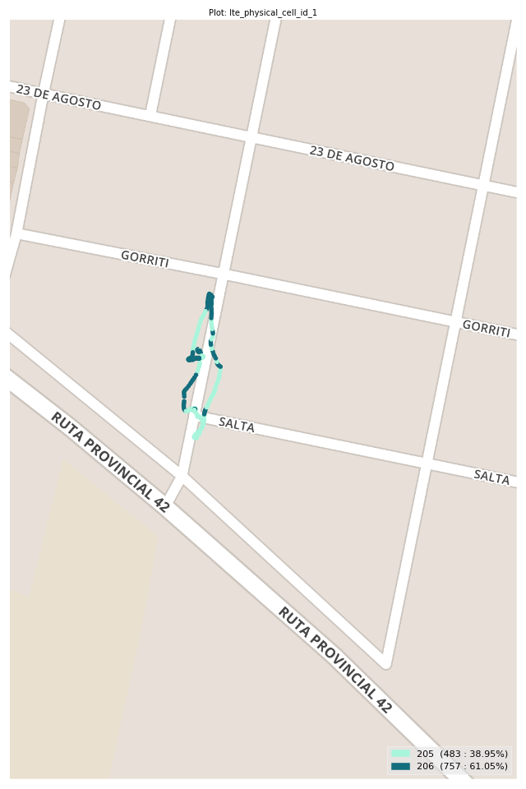
lte_physical_cell_id_1 Report

Sampling Distribution Histogram
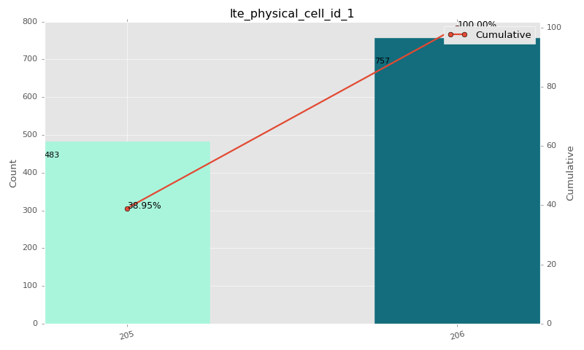

Sampling Distribution Table (first 10 ranges)
ColorXml | Lower | Upper | match_value | N Samples | Range | % | Cumulative %
 |  |  | 205 | 483 |  | 38.95 | 38.95
 |  |  | 206 | 757 |  | 61.05 | 100.00

Basic statistics
N | 1240
Mean | N/A (id-type column: lte_physical_cell_id_1)
SD | N/A (id-type column: lte_physical_cell_id_1)
MAX | N/A (id-type column: lte_physical_cell_id_1)
Median | N/A (id-type column: lte_physical_cell_id_1)
Min | N/A (id-type column: lte_physical_cell_id_1)

Geographical Plot

lte_earfcn_1
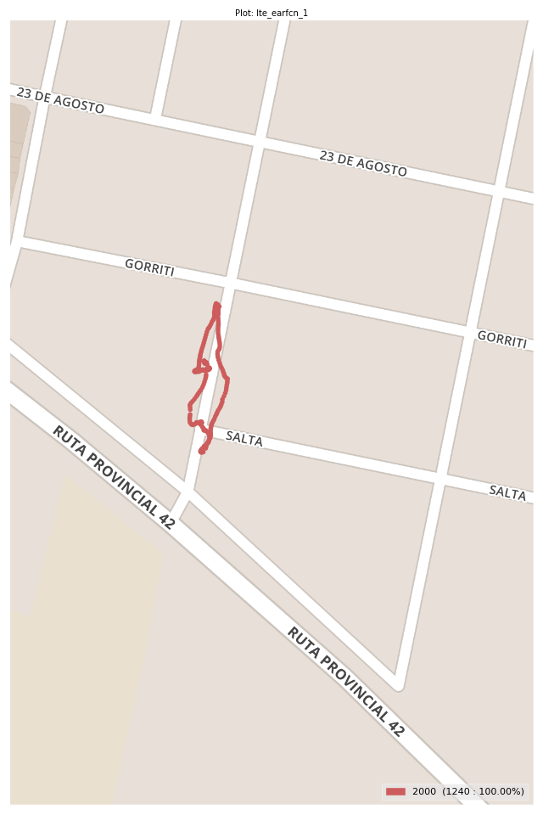
lte_earfcn_1 Report

Sampling Distribution Histogram
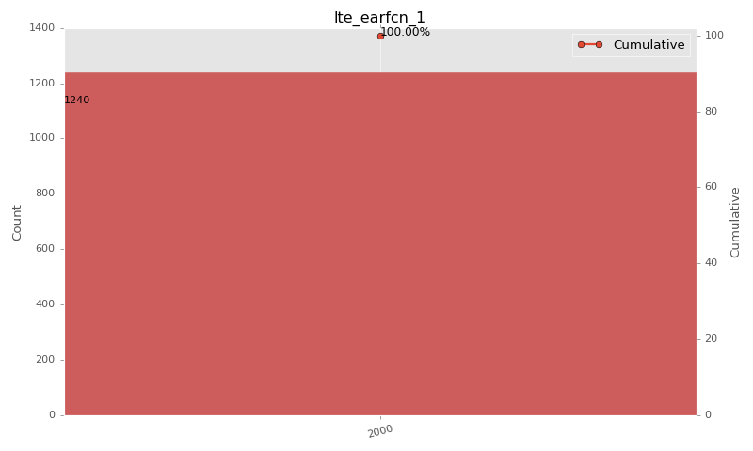

Sampling Distribution Table (first 10 ranges)
ColorXml | Lower | Upper | match_value | N Samples | Range | % | Cumulative %
 |  |  | 2000 | 1240 |  | 100.00 | 100.00

Basic statistics
N | 1240
Mean | N/A (id-type column: lte_earfcn_1)
SD | N/A (id-type column: lte_earfcn_1)
MAX | N/A (id-type column: lte_earfcn_1)
Median | N/A (id-type column: lte_earfcn_1)
Min | N/A (id-type column: lte_earfcn_1)

Geographical Plot

